Sheet1
 |  |  |  |  |  |  |  | 2021-02-03

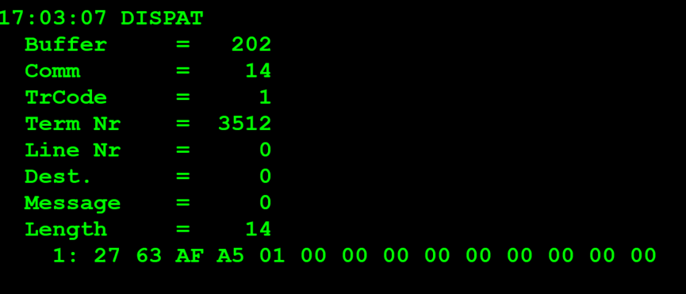
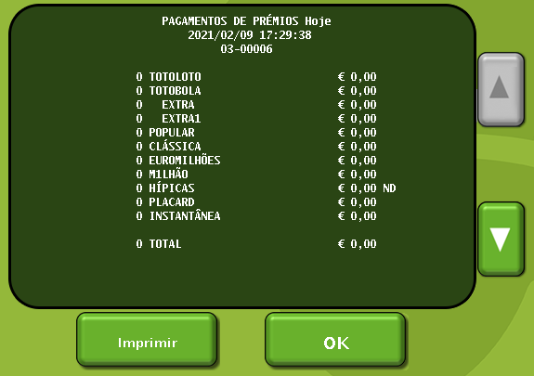
TestByte |  | Size | Field Contents |  | Hex | Bin | Dec
Start | End
1 | 1 | 1 | Control | Sequence | 27 | Control=0010 Sequence=0111 | 2 7 | Control -> x10 - Application Message Sequence ->7
2 | 2 | 1 | Type = 6 | Subtype = (1-9) | 63 | Type=0011 Subtype=0000 | Type=6 Subtype=3 | Type = 6 (report) Subtype = 3 (Financial)
3 | 4 | 2 | Checksum |  | DB CC
5 | 5 | 1 | Class = Based on Subtype |  | 02 |  | 1 | Total Summary
6 | 6 | 1 | Subclass = Based on Subtype |  | 00 |  | 0 | Today
7 | 7+n | n | See variations below

 | 7 | 7 | 1 | Report Type | 00 |  | 0 | Regular (Reg,AFT, Con or Priv)
 | 8 | 9 | 2 | Report Pass number | 00 00 |  | 0 | (descontinuado ou nunca usado)
 | 10 | 13 | 4 | Agent number to report on | 00 00 00 00 |  | 0 | Não é um terminal previligeado logo não envia o agent number vai por defaul a 0 só quando terminal previligeado é que envia o agent num
 | 14 | 14 | 1 | Segment number | 00 |  | 0 | não excedeu o tamanho máximo da mensagem (caso excedeu-se tinha que ler a proxima mensagem)

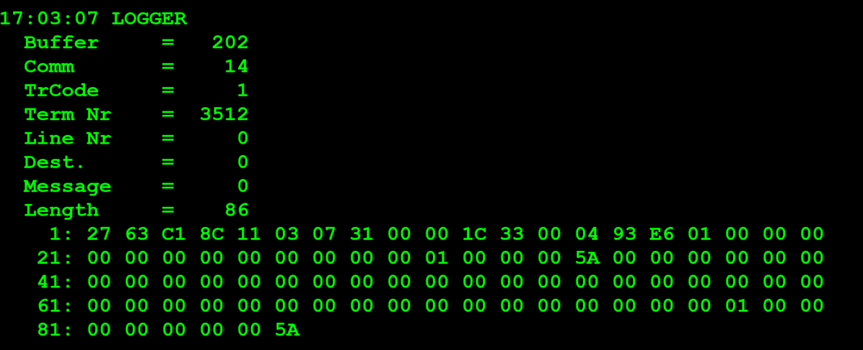

TestByte |  | Size | Field Contents
Start | End
1 | 1 | 1 | Control | Sequence | 27 | Control=0010 Sequence=0111 | 2 7 | Control -> x10 - Application Message Sequence ->7
2 | 2 | 1 | Type = 6 | Subtype = 3 | 63 | Type=0011 Subtype=0000 | Type=6 Subtype=3 | Type = 6 (report) Subtype = 3 (Financial)
3 | 4 | 2 | Checksum
5 | 7 | 3 | Time |  | 11 03 07 |  | (17:03:07) | HH:MM:SS (17:03:07)
8 | 8 | 1 | System Availability Flags | Class = 1 | 31 |  |  | System Availability Flags= 1x e 2x LGS System Not Avaible ABP System Not Available Class=1
9 | 9 | 1 | Subclass = 0-8 |  | 00 |  | 0 | Today
10 | 10 | 1 | Report Type |  | 00 |  | 0 | Regular (Reg,AFT, Con or Priv)
11 | 12 | 2 | CDC Date |  | 1C 33 |  |  | 7219
13 | 16 | 4 | Agent Number |  | 00 04 93 E6 |  | 300006 | 0300006
17 | 17 | 1 | Clerk Number (in today report) |  | 01 |  | 1 | clerk number ou clerk Id é sempre 1
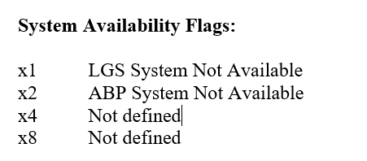
18 | 18 | 1 | Options Flag |  | 00 |  | 0
19 | 22 | 4 | Cancels Count |  | 00 00 00 00 |  | 0 | certo não houve cancelamentos
23 | 26 | 4 | Cancels Amounts (wager units) |  | 00 00 00 00 |  | 0 | certo não houve cancelamentos
27 | 30 | 4 | Net Sales Count |  | 00 00 00 01 |  | 1 | houve uma venda do totoloto neste caso
31 | 34 | 4 | Net Sales Amount |  | 00 00 00 5A |  | 90 | valor vendido foi 90 centimos
35 | 38 | 4 | Cash Count |  | 00 00 00 00 |  | 0
39 | 42 | 4 | Cash Amount (validation units, including refunds) |  | 00 00 00 00 |  | 0
43 | 46 | 4 | Instant Sales Count |  | 00 00 00 00 |  | 0
47 | 50 | 4 | Instant Sales Amount |  | 00 00 00 00 |  | 0
51 | 54 | 4 | Instant Cash Count |  | 00 00 00 00 |  | 0
55 | 58 | 4 | Instant Cash Amount |  | 00 00 00 00 |  | 0
59 | 62 | 4 | Misc Sales Count |  | 00 00 00 00 |  | 0
63 | 66 | 4 | Misc Sales Amount |  | 00 00 00 00 |  | 0
67 | 70 | 4 | Petty Cash Count |  | 00 00 00 00 |  | 0
71 | 74 | 4 | Petty Cash Amount |  | 00 00 00 00 |  | 0
75 | 78 | 4 | Total Cash Count |  | 00 00 00 01 |  | 1 | houve uma venda do totoloto neste caso
79 | 86 | 8 | Total Cash Amount |  | 00 00 00 00 00 00 00 5A |  | 90 | valor vendido foi 90 centimos

